Invalid user

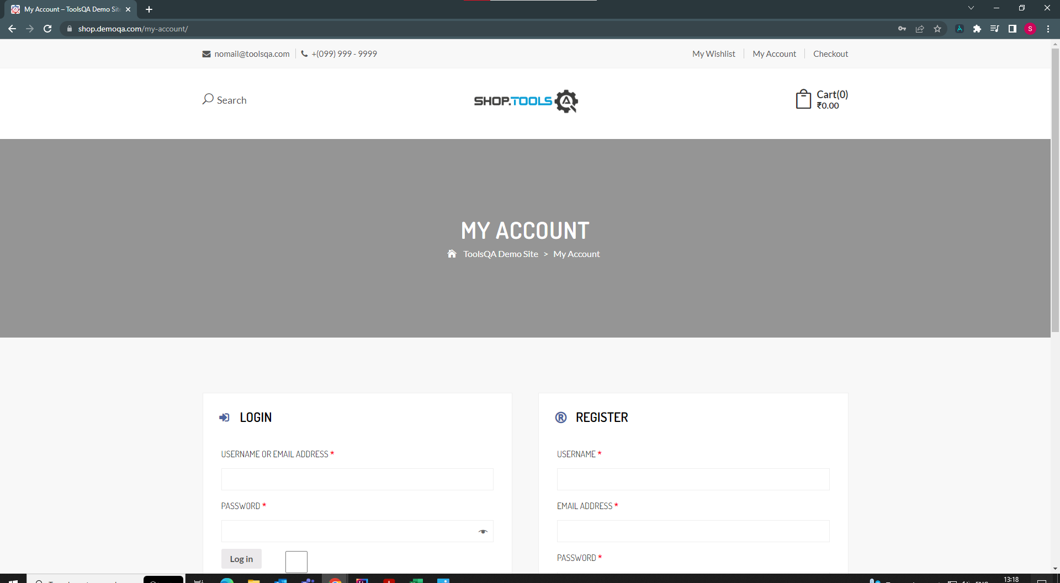
TC-01 | TC-04


TC-02 | TC-05

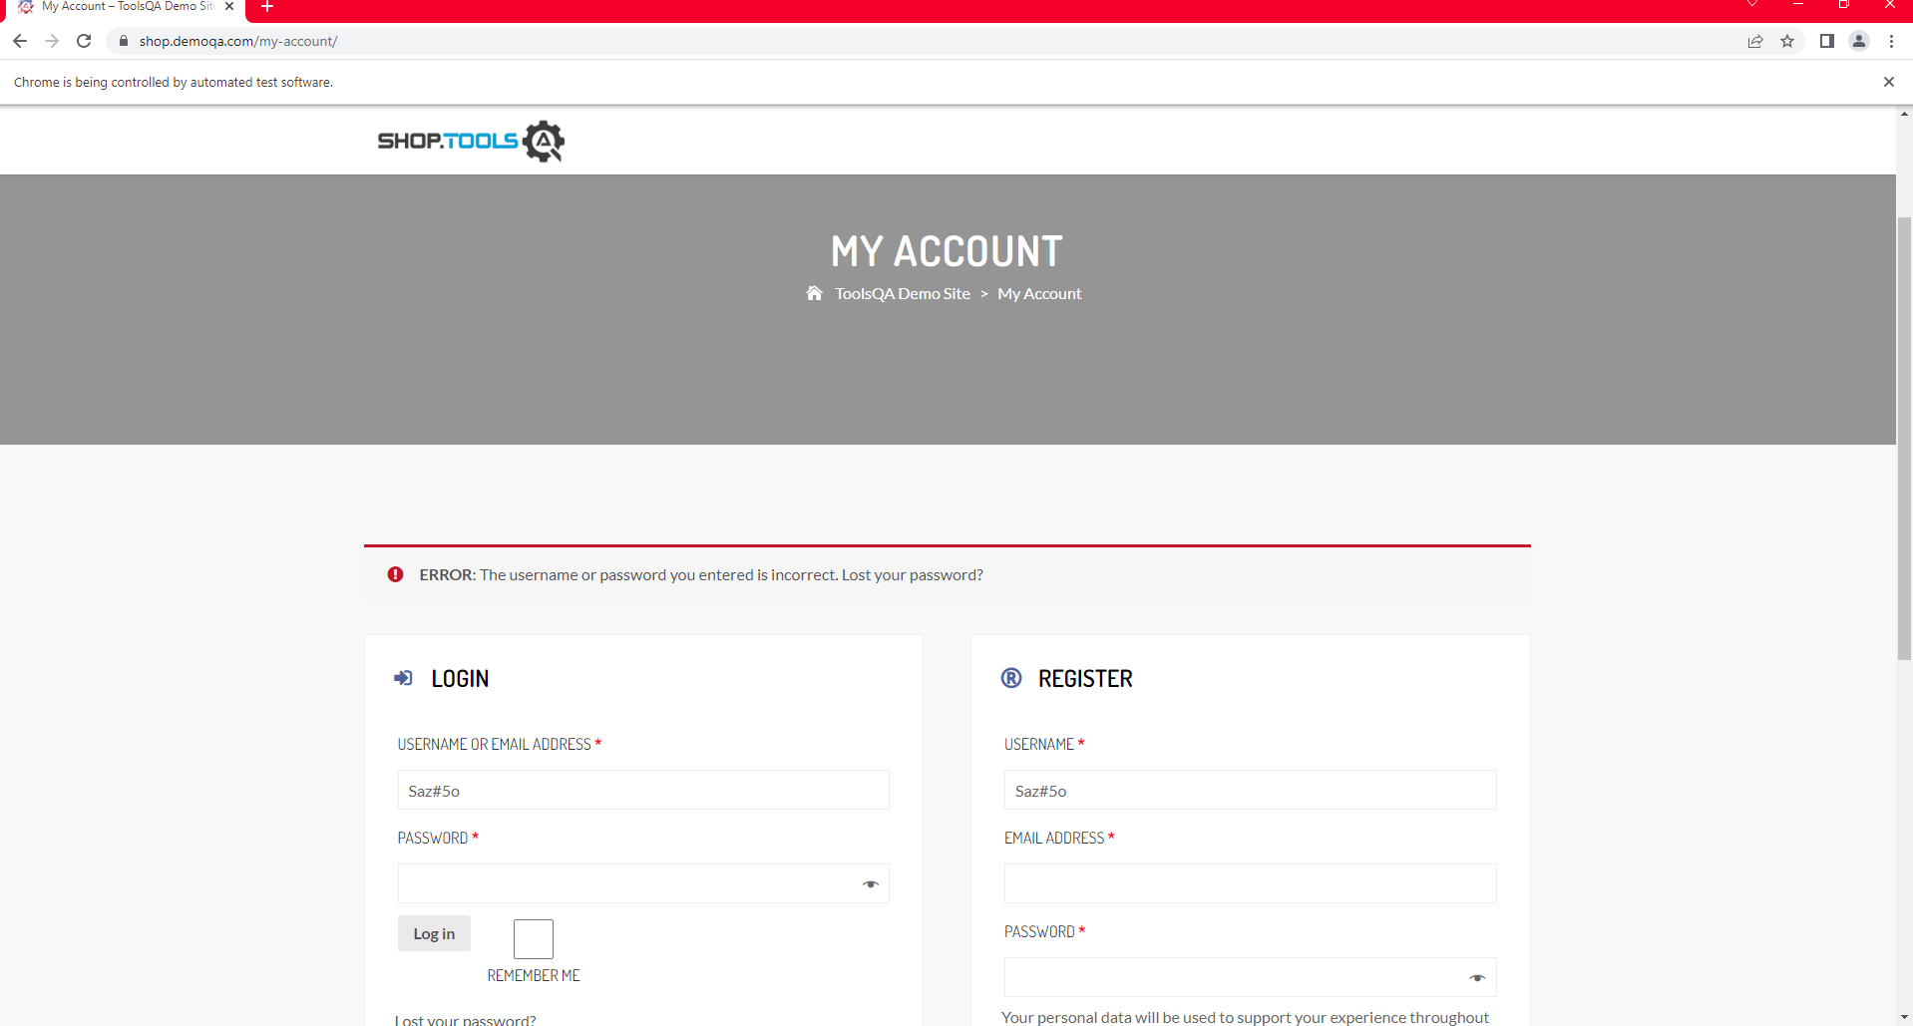

TC-03 | TC-06

